Sheet1
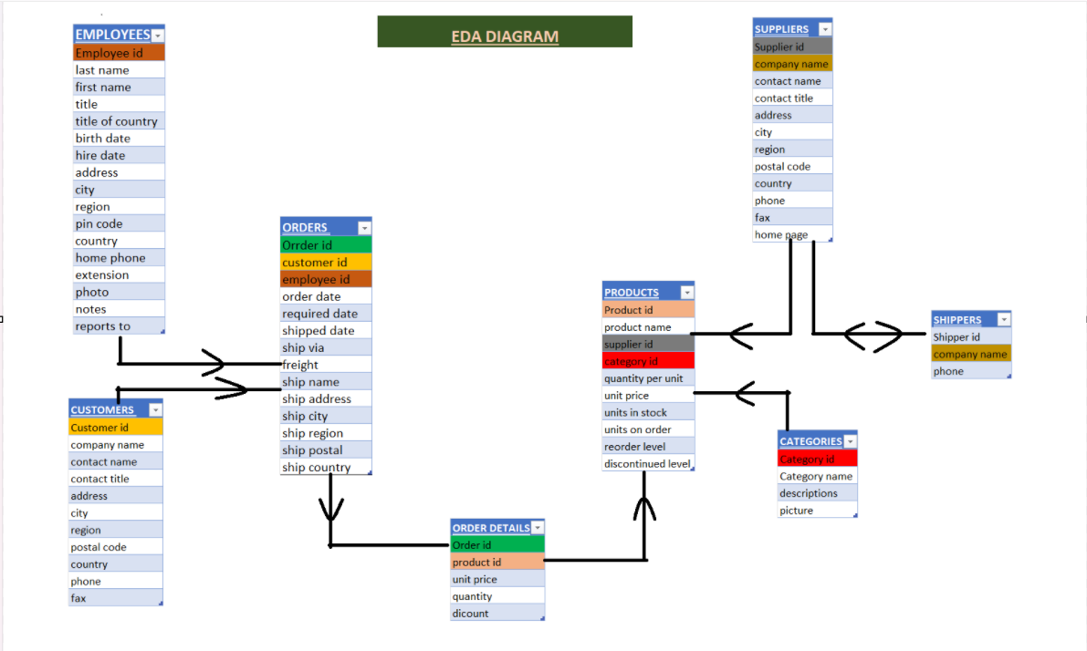
 |  | EDA DIAGRAM

EMPLOYEES | ORDERS | CUSTOMERS | CATEGORIES | PRODUCTS | SUPPLIERS
Employee id | Orrder id | Customer id | Category id | Product id | Supplier id
last name | customer id | company name | Category name | product name | company name
first name | employee id | contact name | descriptions | supplier id | contact name
title | order date | contact title | picture | category id | contact title
title of country | required date | address |  | quantity per unit | address
birth date | shipped date | city |  | unit price | city
hire date | ship via | region |  | units in stock | region
address | freight | postal code | SHIPPERS | units on order | postal code
city | ship name | country | Shipper id | reorder level | country
region | ship address | phone | company name | discontinued level | phone
pin code | ship city | fax | phone |  | fax
country | ship region |  |  |  | home page
home phone | ship postal
extension | ship country | ORDER DETAILS
photo |  | Order id
notes |  | product id
reports to |  | unit price
 |  | quantity
 |  | dicount

